Map
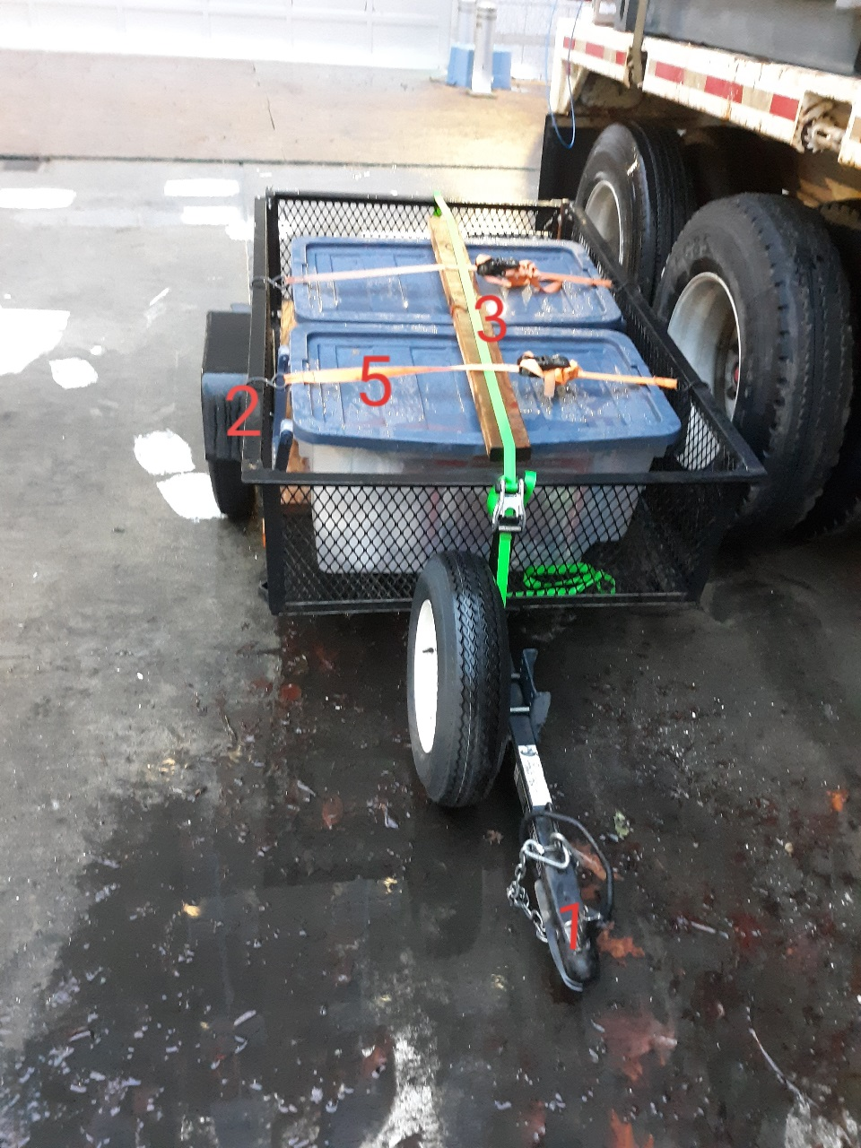
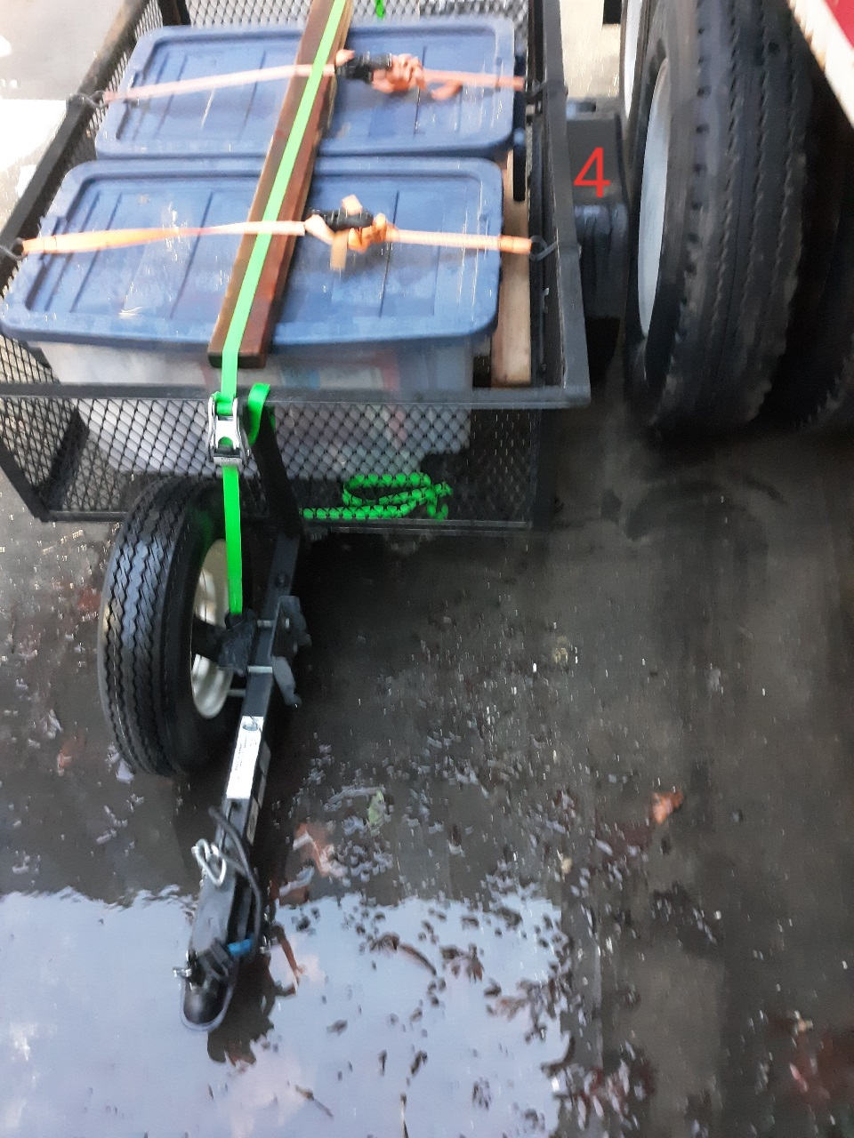

 | 2020-01-07

Survey No |  | INIS-010620-911
Date |  | 2020-01-06
Survey Tech |  | M. Pries/L. Cuneo
Count Room Tech |  | S. Baine
Date Counted
Survey Type |  | Characterization
Level of Posting |  | None
Comments

